Sheet1
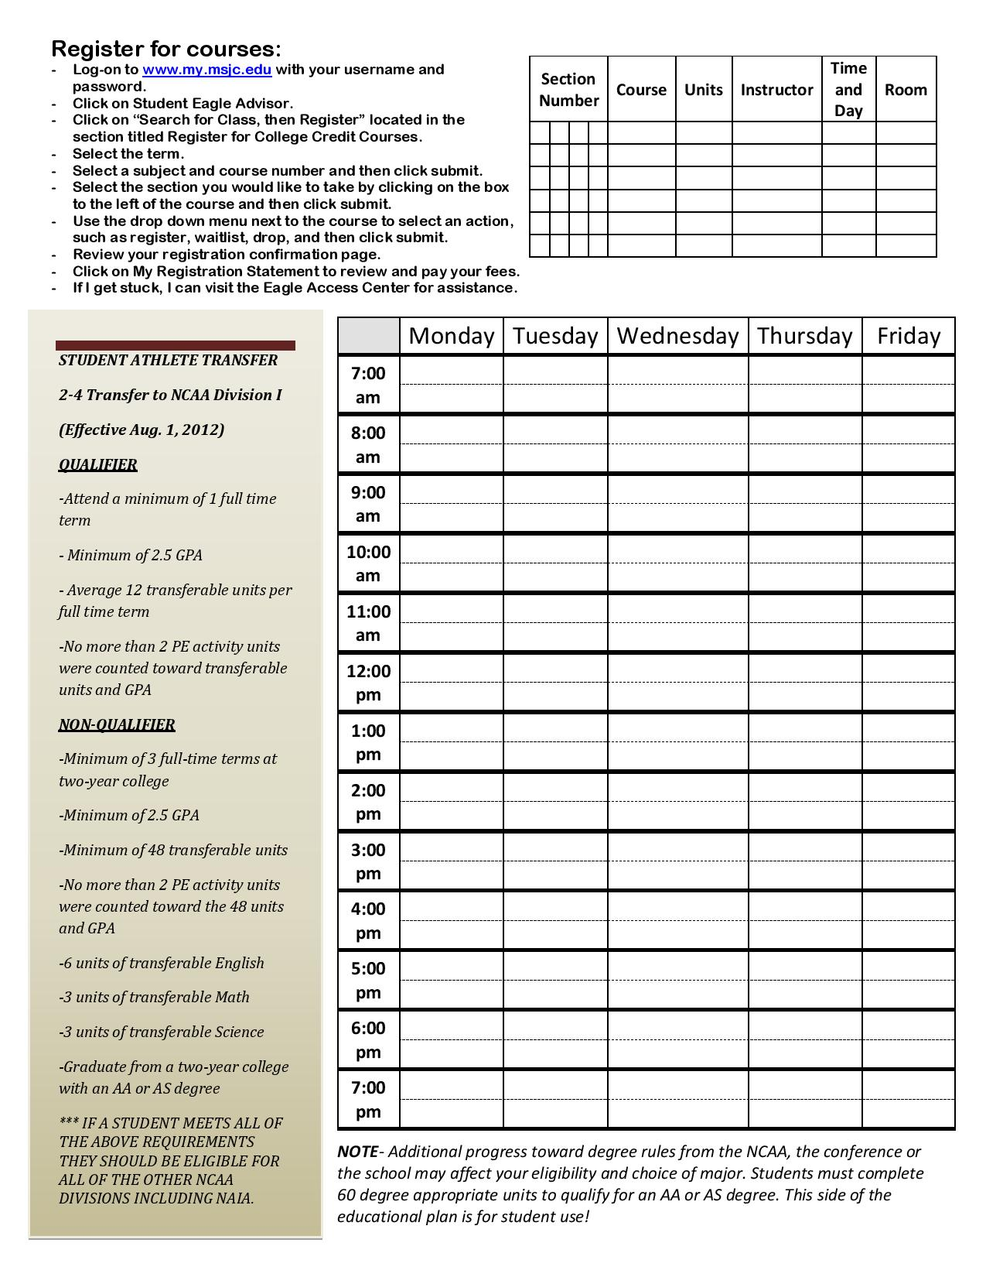
MSJC Student Educational Plan
Name: |  |  |  |  |  |  |  |  | SID#:
Transfer Major: | AS-T Business Administration |  |  |  |  |  |  |  | Date
AA/AS Major: | AA Lib Arts- Emph Bus and Technology |  |  |  |  |  |  |  | Phone:
Certificate: |  |  |  |  |  |  |  |  | Email:
Transferring to: | UNDC- Student Athlete
Goal: | Transfer with AA/AS |  |  |  | General Ed: | Option C: IGETC

Semester: | Fall |  | Year: | 2013 | Semester: | Spring |  | Year: | 2014 | Semester: | Fall |  | Year: | 2014
Course | Units | GE | Major | Elect | Course | Units | GE | Major | Elect | Course | Units | GE | Major | Elect
ENGL 061 | 4.0 |  |  |  | ENGL 092 | 5.0 |  |  |  | ENGL 101 | 4.0
MATH 051 | 3.0 |  |  |  | MATH 090 | 4.0 |  |  |  | MATH 096 | 5.0
Area 3- Arts | 3.0 |  |  |  | Area 5-Phy Sc- Non Lab | 3.0 |  |  |  | Area 1- COMM 100 | 3.0
Area 4- | 3.0 |  |  |  | AREA 3- HIST 106 | 3.0 |  |  |  | Area 4- PS 101 | 3.0
HIST 111 or 112 |  |  |  |  | BADM 103 | 3.0 |  |  |  | PE
PE
Total Units: | 13.0 |  |  |  | Total Units: | 18.0 |  |  |  | Total Units: | 15.0
Transfer Units: | 6.0 |  |  |  | Transfer Units: | 9.0 |  |  |  | Transfer Units: | 10.0

Semester: | Spring |  | Year: | 2015 | Semester: | Fall |  | Year: | 2015 | Semester: | Spring |  | Year: | 2016
Course | Units | GE | Major | Elect | Course | Units | GE | Major | Elect | Course | Units | GE | Major | Elect
ENGL 103 | 4.0 |  |  |  | ACCT 124 | 3.0 |  |  |  | ACCT 125 | 3.0
MATH 140 | 4.0 |  |  |  | Area 5- Biol Sc* Lab | 4.0 |  |  |  | CSIS 101 | 3.0
Area 3- HIST 107 | 3.0 |  |  |  | Area 6- LOTE | 5.0 |  |  |  | BADM 201 | 3.0
Area 4- ECON 201 | 3.0 |  |  |  | if not in HS |  |  |  |  | PE
ECON 202 | 3.0 |  |  |  | PE
PE
Total Units: | 17.0 |  |  |  | Total Units: | 12.0 |  |  |  | Total Units: | 9.0
Transfer Units: | 17.0 |  |  |  | Transfer Units: | 12.0 |  |  |  | Transfer Units: | 9.0

Semester: | Summer |  | Year: |  | Semester: | Summer |  | Year: |  | Semester: | Summer |  | Year:
Course | Units | GE | Major | Elect | Course | Units | GE | Major | Elect | Course | Units | GE | Major | Elect

Total Units: | 0.0 |  |  |  | Total Units: | 0.0 |  |  |  | Total Units: | 0.0
Transfer Units: |  |  |  |  | Transfer Units: |  |  |  |  | Transfer Units:

Total Ed Plan Units: |  | 84.0 |  | Cum GPA: |  |  | Apply to CSU in
Total Transfer Units: |  | 63.0 |  | Tran GPA: |  |  |  | Apply to UC in
 |  | PE Units Not Included |  |  |  |  | Apply to UC TAG in
Transfer Term: |  |  |  |  |  |  | Apply to |  |  |  | in
Graduation Term: |  |  |  |  |  |  | Apply for AA/AS graduation in:

Counselor Signature: |  |  |  |  |  |  | CSU Application: |  |  | www.csumentor.org
 |  | Counselor Name |  |  |  |  |  | UC Application: |  | www.universityofcalifornia.edu/apply
Student Signature: |  |  |  |  |  |  | UC TAG Application: |  |  | https://uctag.universityofcalifornia.edu
 |  |  |  |  |  |  | Private Schools: |  |  | www.commonapp.org

Notes: | Courses may vary depending on transfer institution and major prep. Please refer to www.assist.org
 | or the college website for accuracy. Please see an athletic counselor every semester to update your
 | educational plan. No PE units counted on this ed plan. Flip the sheet for NCAA unit limitations and rules.

